Sheet1
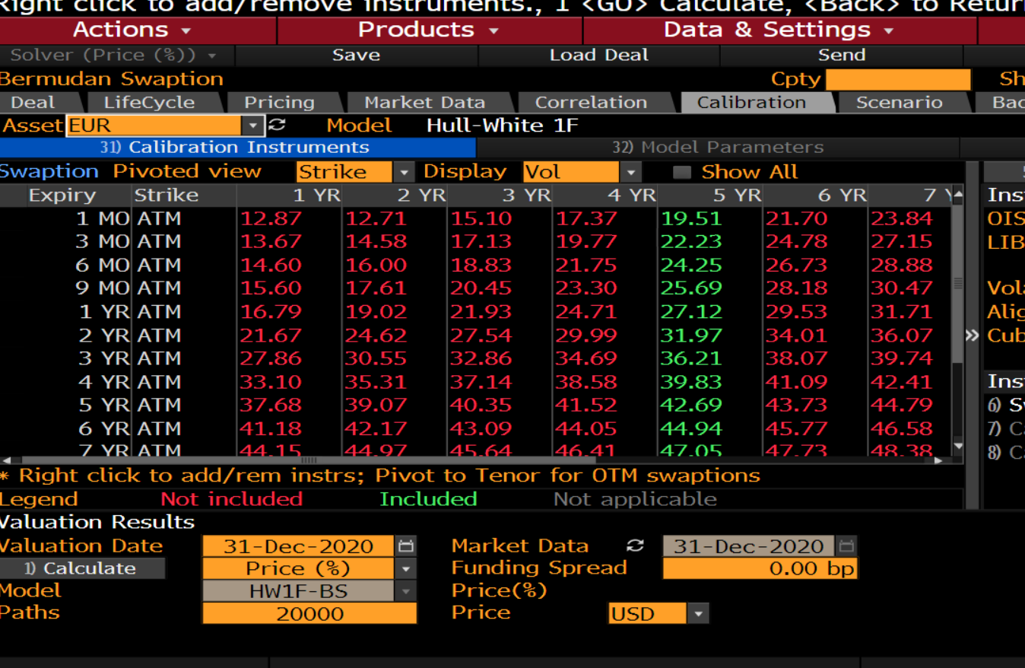
3% alpha | 3%
Start Date | End Date | TTZ | Factor 1 Vol* | Xi
2020-12-31 | 2021-01-29 | 0.08 | 0.21% | 3.5122005115E-07
 | 2021-03-31 | 0.25 | 0.25% | 1.552552205E-06
 | 2021-06-30 | 0.50 | 0.28% | 3.9461961313E-06
 | 2021-09-30 | 0.75 | 0.41% | 1.2859343363E-05
 | 2021-12-31 | 1.00 | 0.21% | 4.5449861711E-06
 | 2022-12-30 | 2.00 | 0.40% | 3.3916872643E-05
 | 2023-12-29 | 2.99 | 0.49% | 7.8703438582E-05
 | 2024-12-31 | 4.00 | 0.56% | 0.00014170743043
 | 2025-12-31 | 5.00 | 0.61% | 0.00021687911813
 | 2026-12-31 | 6.00 | 0.65% | 0.00030501771993
 | 2027-12-31 | 7.00 | 0.70% | 0.00042611547948
 | 2028-12-29 | 7.99 | 0.70% | 0.000502549543
 | 2029-12-30 | 9.00 | 0.73% | 0.00063550792438
 | 2030-12-31 | 10.00 | 0.76% | 0.0007912168295
 | 2032-12-31 | 12.00 | 0.72% | 0.00091082847006
 |  | 121.00 | 0.75% | 1.3326470562

1 bp alpha | 0.0001
Start Date | End Date | TTZ | Factor 1 Vol* | Factor 2 Vol*
12/31/2020 | 2021-01-29 | 0.08 | 0.20% | 3.1781074424E-07
 | 2021-03-31 | 0.25 | 0.24% | 1.4203089936E-06
 | 2021-06-30 | 0.50 | 0.26% | 3.3523854169E-06
 | 2021-09-30 | 0.75 | 0.37% | 1.024013575E-05
 | 2021-12-31 | 1.00 | 0.21% | 4.4104410294E-06
 | 2022-12-30 | 2.00 | 0.36% | 2.5866036976E-05
 | 2023-12-29 | 2.99 | 0.44% | 5.7951576935E-05
 | 2024-12-31 | 4.00 | 0.49% | 9.6038969413E-05
 | 2025-12-31 | 5.00 | 0.53% | 0.00014046893801
 | 2026-12-31 | 6.00 | 0.55% | 0.00018154972121
 | 2027-12-31 | 7.00 | 0.58% | 0.00023557574022
 | 2028-12-29 | 7.99 | 0.56% | 0.0002508515396
 | 2029-12-30 | 9.00 | 0.58% | 0.00030287581481
 | 2030-12-31 | 10.00 | 0.60% | 0.00036028841918
 | 2032-12-31 | 12.00 | 0.52% | 0.00032481832009
 |  | 121.00 | 0.53% | 0.0034404291307

